ART
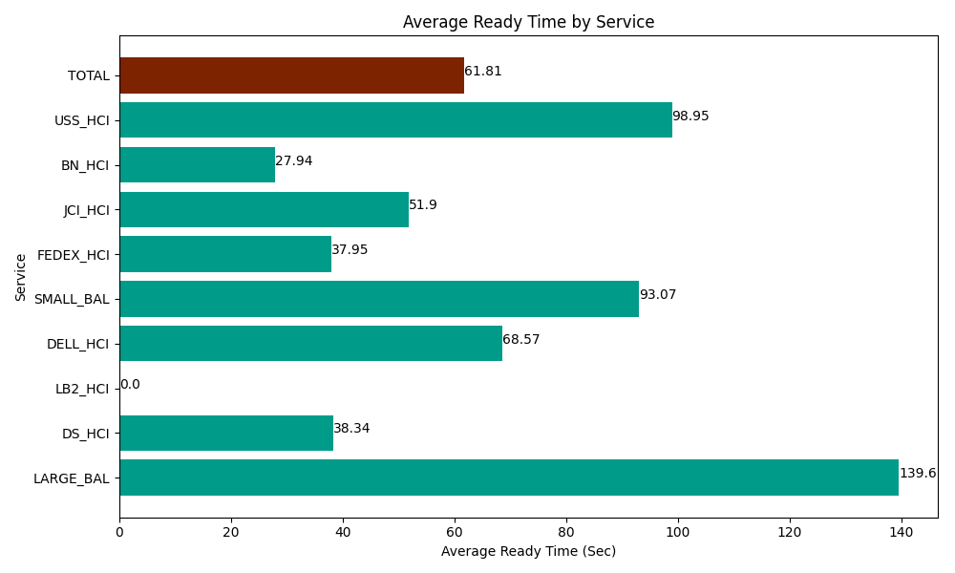
Date | Service | Successful Op Transfer | In Call (Sec) | Ready (Sec) | Wrapup (Sec) | Not Ready (Sec) | Average Ready Time (Sec)
05-07-2024 | LARGE_BAL | 3 | 122.99999714 | 418.80000114 | 148.80000114 | 55.800000429 | 139.6
05-07-2024 | DS_HCI | 829 | 51230.998535 | 31783.798828 | 79822.199707 | 103129.19678 | 38.34
05-07-2024 | LB2_HCI | 0 | 0 | 12.000000179 | 0 | 56.999999285 | 0
05-07-2024 | DELL_HCI | 157 | 19402.800293 | 10765.799561 | 61267.800293 | 36859.200439 | 68.57
05-07-2024 | SMALL_BAL | 40 | 3046.2000275 | 3722.9999542 | 5275.1998901 | 11347.800293 | 93.07
05-07-2024 | FEDEX_HCI | 39 | 3658.7999725 | 1480.2000046 | 2716.7999268 | 1879.1999817 | 37.95
05-07-2024 | JCI_HCI | 77 | 7759.8001099 | 3995.9999084 | 7113.0001831 | 3175.8000183 | 51.9
05-07-2024 | BN_HCI | 1209 | 70945.202637 | 33781.201172 | 88063.198242 | 47098.798828 | 27.94
05-07-2024 | USS_HCI | 114 | 20881.799927 | 11280 | 16622.999268 | 14158.200073 | 98.95
 | TOTAL | 2468 | 177048.6015 | 97240.799429 | 261029.99751 | 217760.99641 | 61.81

